Types of Distribution
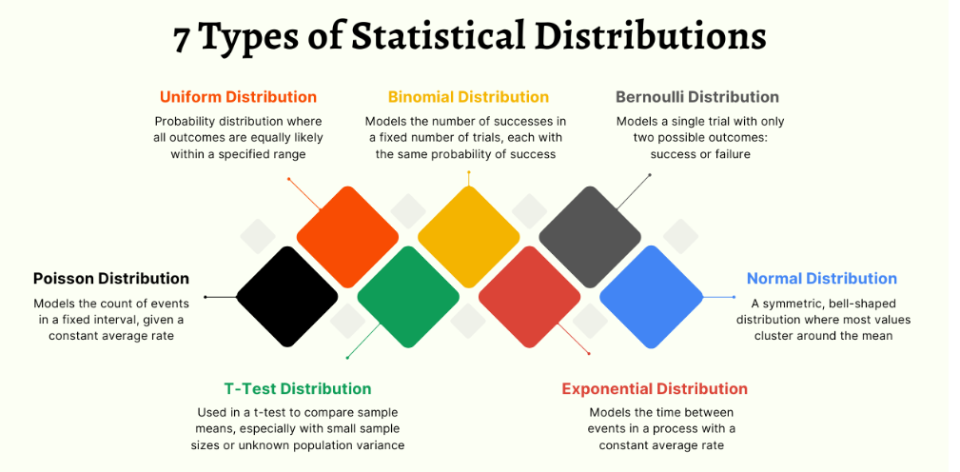

04_Normal.D
Mean | 100 | Probability of exactly 92 | 1.84% | 33% of values below | 91.201736687 | Probability: A measure of how likely an event is to occur.
Standard Deviation | 20 | Probability of 92 or more | 65.54% | 90% of values above
Normal Curve m = 100, s = 20
36 | 0.00011920441007
38 | 0.00016334095281
40 | 0.0002215924206
42 | 0.00029762662099
44 | 0.00039577257915
46 | 0.00052104674072
48 | 0.00067914846168
50 | 0.00087641502468
52 | 0.0011197265147
54 | 0.0014163518871
56 | 0.0017737296423
58 | 0.002199179799
60 | 0.0026995483257
62 | 0.0032807907387
64 | 0.003947507915
66 | 0.0047024538688
68 | 0.005546041734
70 | 0.0064758797833
72 | 0.0074863732818
74 | 0.0085684296024
76 | 0.0097093027492
78 | 0.010892608852
80 | 0.012098536226
82 | 0.013304262495
84 | 0.014484577638
86 | 0.015612696668
88 | 0.016661230145
90 | 0.017603266338
92 | 0.018413507015
94 | 0.019069390773
96 | 0.019552134699
98 | 0.019847627374
100 | 0.01994711402
102 | 0.019847627374
104 | 0.019552134699
106 | 0.019069390773
108 | 0.018413507015
110 | 0.017603266338
112 | 0.016661230145
114 | 0.015612696668
116 | 0.014484577638
118 | 0.013304262495
120 | 0.012098536226
122 | 0.010892608852
124 | 0.0097093027492
126 | 0.0085684296024
128 | 0.0074863732818
130 | 0.0064758797833
132 | 0.005546041734
134 | 0.0047024538688
...
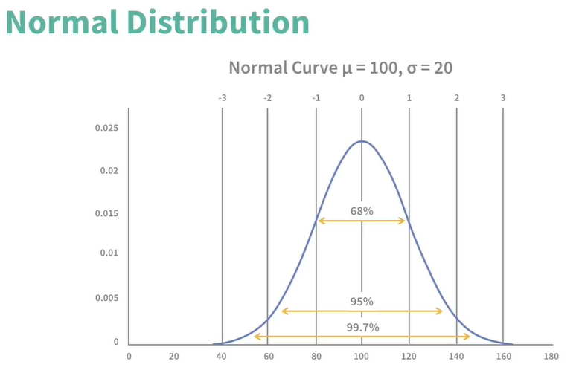
36 | 0.00011920441007
38 | 0.00016334095281
40 | 0.0002215924206
42 | 0.00029762662099
44 | 0.00039577257915
46 | 0.00052104674072
48 | 0.00067914846168
50 | 0.00087641502468
52 | 0.0011197265147
54 | 0.0014163518871
56 | 0.0017737296423
58 | 0.002199179799
60 | 0.0026995483257
62 | 0.0032807907387
64 | 0.003947507915
66 | 0.0047024538688
68 | 0.005546041734
70 | 0.0064758797833
72 | 0.0074863732818
74 | 0.0085684296024
76 | 0.0097093027492
78 | 0.010892608852
80 | 0.012098536226
82 | 0.013304262495
84 | 0.014484577638
86 | 0.015612696668
88 | 0.016661230145
90 | 0.017603266338
92 | 0.018413507015
94 | 0.019069390773
96 | 0.019552134699
98 | 0.019847627374
100 | 0.01994711402
102 | 0.019847627374
104 | 0.019552134699
106 | 0.019069390773
108 | 0.018413507015
110 | 0.017603266338
112 | 0.016661230145
114 | 0.015612696668
116 | 0.014484577638
118 | 0.013304262495
120 | 0.012098536226
122 | 0.010892608852
124 | 0.0097093027492
126 | 0.0085684296024
128 | 0.0074863732818
130 | 0.0064758797833
132 | 0.005546041734
134 | 0.0047024538688
136 | 0.003947507915
138 | 0.0032807907387
140 | 0.0026995483257
142 | 0.002199179799
144 | 0.0017737296423
146 | 0.0014163518871
148 | 0.0011197265147
150 | 0.00087641502468
152 | 0.00067914846168
154 | 0.00052104674072
156 | 0.00039577257915
158 | 0.00029762662099
160 | 0.0002215924206
162 | 0.00016334095281
164 | 0.00011920441007

04_Exponential.D
Minutes | Probability | Average | 5
1 | 0.16374615062
2 | 0.13406400921 | Between 3 and 7 | 30.22%
3 | 0.10976232722
 | Probability
1 | 0.16374615062
2 | 0.13406400921
3 | 0.10976232722
4 | 0.089865792823
5 | 0.073575888234
6 | 0.060238842382
7 | 0.049319392788
8 | 0.040379303599
9 | 0.033059777644
10 | 0.027067056647
11 | 0.022160631672
12 | 0.018143590658
13 | 0.014854715643
14 | 0.012162012525
15 | 0.0099574136736
16 | 0.0081524407957
17 | 0.0066746539921
18 | 0.0054647444895
19 | 0.0044741543712
20 | 0.0036631277777
21 | 0.0029991153641
22 | 0.0024554679806
23 | 0.0020103671489
24 | 0.0016459494098
25 | 0.0013475893998
4 | 0.089865792823
5 | 0.073575888234
6 | 0.060238842382
7 | 0.049319392788
8 | 0.040379303599
9 | 0.033059777644
10 | 0.027067056647
11 | 0.022160631672
12 | 0.018143590658
13 | 0.014854715643
14 | 0.012162012525
15 | 0.0099574136736
16 | 0.0081524407957
17 | 0.0066746539921
18 | 0.0054647444895
19 | 0.0044741543712
20 | 0.0036631277777
21 | 0.0029991153641
22 | 0.0024554679806
23 | 0.0020103671489
24 | 0.0016459494098
25 | 0.0013475893998

04_Poisson.D
 | Probability
0 | 0.00091188196555
1 | 0.0063831737589
2 | 0.022341108156
3 | 0.052129252364
4 | 0.091226191637
5 | 0.12771666829
6 | 0.14900277967
7 | 0.14900277967
8 | 0.13037743222
9 | 0.1014046695
10 | 0.07098326865
11 | 0.045171170959
12 | 0.026349849726
13 | 0.014188380622
14 | 0.0070941903109
15 | 0.0033106221451
16 | 0.0014483971885
17 | 0.00059639884232
18 | 0.00023193288312
Value | Probability | Mean | 7
0 | 0.00091188196555
1 | 0.0063831737589 |  |  | It is used to find the specific gaps between events
2 | 0.022341108156 |  |  | Example : Customer join every 7 minutes
3 | 0.052129252364
4 | 0.091226191637
5 | 0.12771666829
6 | 0.14900277967
7 | 0.14900277967
8 | 0.13037743222
9 | 0.1014046695
10 | 0.07098326865
11 | 0.045171170959
12 | 0.026349849726
13 | 0.014188380622
14 | 0.0070941903109
15 | 0.0033106221451
16 | 0.0014483971885
17 | 0.00059639884232
18 | 0.00023193288312

04_Binomial.D
Sign-Up Percentage
0 | 0.00018124545836
1 | 0.001951874167
2 | 0.009984587085
3 | 0.032257896736
4 | 0.073820955992
5 | 0.12719918571
6 | 0.17122967307
7 | 0.18440118638
8 | 0.16135103809
9 | 0.11584177093
10 | 0.068613972014
11 | 0.033587259028
12 | 0.013564085377
13 | 0.0044946081722
14 | 0.0012100868156
15 | 0.00026063408336
16 | 4.3856696719E-05
17 | 5.5565045616E-06
18 | 4.9866066579E-07
19 | 2.8264167292E-08
20 | 7.6095835016E-10
Probability of Success | 35%
Number of Trials | 20
 |  | Two possible outcomes , True or False
Successes | Percentage of Outcomes
0 | 0.0181245%
1 | 0.1951874%
2 | 0.9984587% |  | 0.00018124545836
3 | 3.2257897%
4 | 7.3820956%
5 | 12.7199186%
6 | 17.1229673%
7 | 18.4401186%
8 | 16.1351038%
9 | 11.5841771%
10 | 6.8613972%
11 | 3.3587259%
12 | 1.3564085%
13 | 0.4494608%
14 | 0.1210087%
15 | 0.0260634%
16 | 0.0043857%
17 | 0.0005557%
18 | 0.0000499%
19 | 0.0000028%
20 | 0.0000001%

